Unity Relay Costs
 |  |  | Assumption
 |  |  | - No individual player will exceed their free monthly allowance of 3Gb - therefore only cost is when exceeding the cap

Typical Play Session Stats |  |  | Year | Number of Units Sold | Cumulative Number of Players | Number of concurrent players | Cost of concurrent player > 50 (per month) | Monthly Data consumption (MB) | Free Data (cap in MB) | Net Data (MB) | Cost of data (per month) | Total Cost (per month) | Cost of concurrent players > 50 (per year) | Cost of data (per year) | Total Cost (per year)
Players | 4 |  | 1 | 3,503 | 3,503 | 351 | £38.53 | 469,227 | 150,000 | 319,227 | £40.86 | £79.39 | £462.34 | £490.33 | £952.67
Duration | 30 | mins | 2 | 10,510 | 14,013 | 1,402 | £173.06 | 1,877,041 | 150,000 | 1,727,041 | £221.06 | £394.12 | £2,076.67 | £2,652.74 | £4,729.41
Game Data Usage | 1071.6 | MB | 3 | 17,516 | 31,529 | 3,153 | £397.18 | 4,223,310 | 150,000 | 4,073,310 | £521.38 | £918.57 | £4,766.21 | £6,256.60 | £11,022.81
Per Player Data Usage | 267.9 | MB | 4 | 17,516 | 49,045 | 4,905 | £621.44 | 6,569,578 | 150,000 | 6,419,578 | £821.71 | £1,443.15 | £7,457.28 | £9,860.47 | £17,317.75
 |  |  | 5 | 17,516 | 66,561 | 6,657 | £845.70 | 8,915,846 | 150,000 | 8,765,846 | £1,122.03 | £1,967.72 | £10,148.35 | £13,464.34 | £23,612.69
Assumed percentage of concurrent users | 10%
Play data for a 10 minute, 4 player session
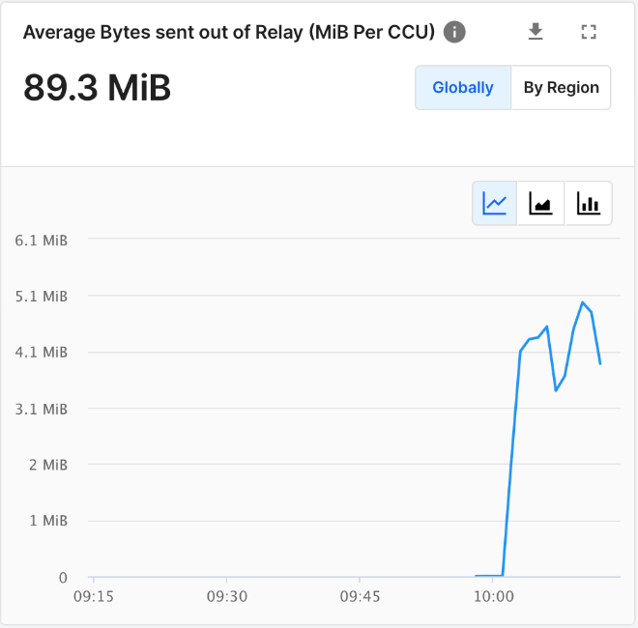
Assumed percetage of players playing every month | 12.5%

Assumed play sessions per month (on average) | 4
USD --> GBP FX Rate | 0.8
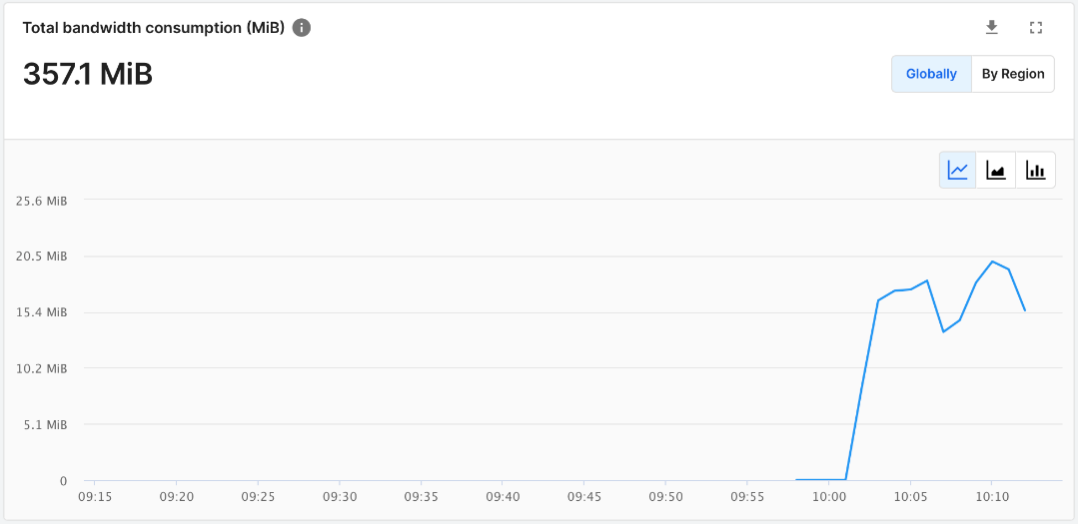
 | USD | GBP
Cost per GB | 0.16 | 0.128
Cost per concurrent user above 50 | 0.16 | 0.128

 |  |  | Year | Number of concurrent players | Total Cost (per year)
 |  |  | 1 | 351 | £952.67
 |  |  | 2 | 1,402 | £4,729.41
 |  |  | 3 | 3,153 | £11,022.81
 |  |  | 4 | 4,905 | £17,317.75
 |  |  | 5 | 6,657 | £23,612.69

Estimated Revenue
Number of PC Gamers (Global) | 1,700,000,000
% of gamers playing multiplayer | 56.0%
Number of PC Gamers (Multiplayer) | 952,000,000
% of casual multiplayer game players | 73.6%
Number of casual multiplayer players | 700,672,000
Estimated % interested in Construction Chaos | 0.5%
Construction Chaos target audience (max) | 3,503,360
Estimated % of target audience captured | 10.0%
Estimated number of target audience captured | 350,336
Estimated Gross Revenue by Year
 |  |  | Assumed target audience size |  | Sell price (GBP)
 |  |  | 350,336 |  | £6.00

 |  | Year | Adoption rate | Units Sold | Total Revenue
 |  |  |  | Base App
 |  | Year 1 | 1% | 3,503 | £21,018
 |  | Year 2 | 3% | 10,510 | £63,060
 |  | Year 3 | 5% | 17,516 | £105,096
 |  | Year 4 | 5% | 17,516 | £105,096
 |  | Year 5 | 5% | 17,516 | £105,096

